Sheet2
Students Record

S.No | First Name | DOB | Maths | Science | Hindi | English | Social science | Total Marks | Average Marks
1 | anshu | 2005-03-04 | 85 | 90 | 70 | 80 | 75 | 400 | 80
2 | jitendra | 2000-04-10 | 75 | 90 | 74 | 74 | 58 | 371 | 77
3 | rahul | 1996-09-12 | 65 | 85 | 76 | 89 | 94 | 409 | 78
4 | rohit | 1959-08-25 | 60 | 96 | 93 | 75 | 82 | 406 | 82
5 | suraj | 2001-10-30 | 85 | 86 | 85 | 84 | 85 | 425 | 83

hii i am itendra kumar now i am pursuing b tech in computer scirnce
 |  | Round down | Round up
 | 9.23 | 9.2 | 9.3
 | 8.589 | 8.5 | 8.6
 | 85.43 | 85.4 | 85.5
 | 100.85 | 100.8 | 100.9
 | 957.28 | 957.2 | 957.3

 | category | Name |  | category
 | Column1 | Raj |  | General
 | SC | Ram |  | ST
 | ST | Raushan |  | OBC
 | OBC | Raghu |  | SC
 | General

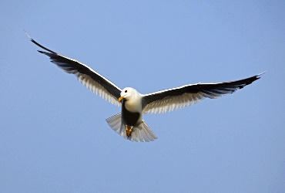

This Photo by Unknown Author is licensed under CC BY-SA

Sheet3
Years | C | C++ | Java
2000-04 | 8 | 150 | 80
2004-08 | 54 | 77 | 54
2008-12 | 93 | 32 | 100
2012-16 | 116 | 11 | 76
2016-20 | 137 | 6 | 93
2020-24 | 184 | 1 | 72

Enrollment in Online Courses

Enrollment in Online Courses

Enrollment in Online Courses

Enrollment in Online Courses

Enrollment in Online Courses

Enrollment in Online Courses

